Portfolio
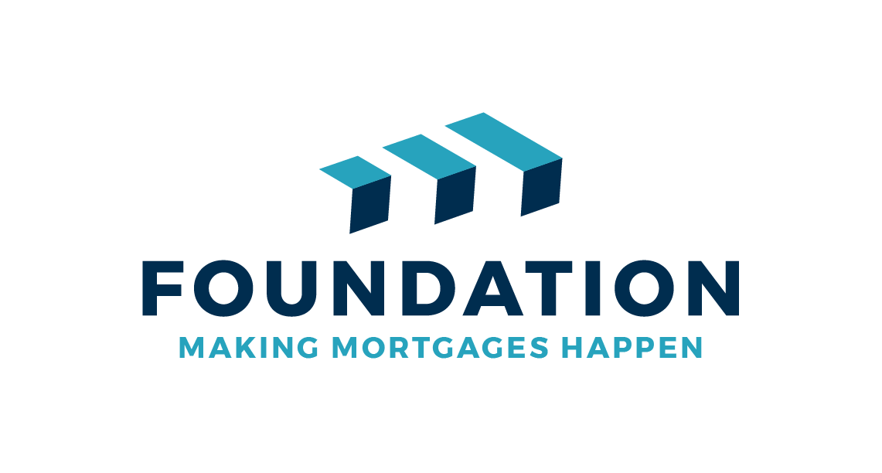
Ownership Type | Company Name | Address Line 1 | Address Line 2 | Address Line 3 | Address Line 4 | Town/City | County | Postcode | Number of bedrooms | HMO? (Y/N) | Property type | Mortgage Amount | Lender | Current estimated valuation | Monthly rental income | Estimated Monthly Mortgage Payment
Buy to Let properties - Please enter details of ALL properties in the portfolio |  |  |  |  |  |  |  |  |  |  |  |  |  |  |  | Buy to Let

